Sheet1
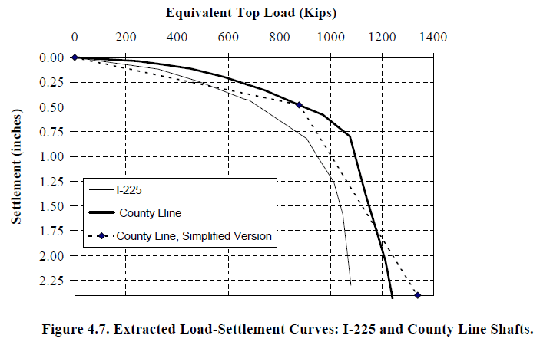
x | Curve1
0 | 0
156 | 0.0693
228 | 0.0925
327 | 0.1233
468 | 0.2389
600 | 0.3622
681 | 0.4392
905 | 0.8322
1010 | 1.2483
1043 | 1.5796
1076 | 2.2885

